Enabling circular calculations
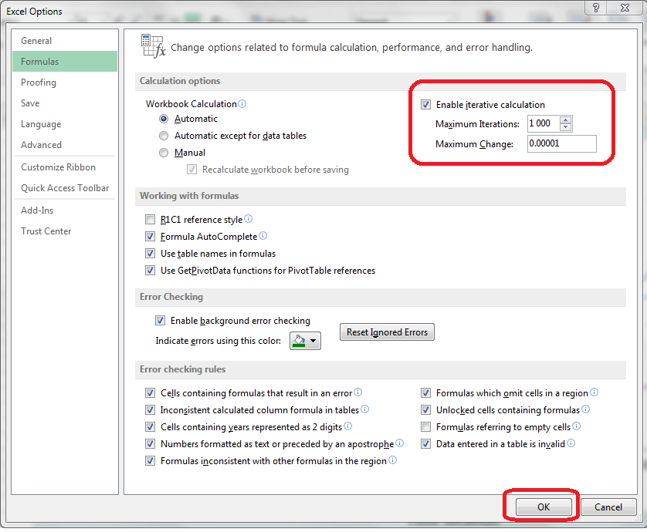
Circular calculations
 | The spreadsheet presented here uses an iterative approach to determine the best-fitting life table for the chosen estimates. However, circular calculations are not routinely allowed in Excel. To enable them for this spreadsheet,
 | * Go to File ® Options ® Formulas
 | * Ensure that "Enable Iterative Calculation" is checked
 | * Set the maximum iterations to a suitable large number (e.g. 1000)
 | * Set the tolerance (the difference between the results from successive iterations at which the iterative process
 | is allowed to terminate) to a suitably small number.

 | It is not recommended to exceed this number of iterations, or to specify a lower tolerance, as convergence may prove impossible. The values recommended are amply sufficient for most sensible applications of this spreadsheet.

The need to reset the fit if the family is changed
 | If the FAMILY of the model life table system is changed (i.e. from PRINCETON to UN, or vice versa), it is
 | necessary to reset the calculation routine. Otherwise errors will arise.
 | To do so, change the 'Recalculate' cell (B3) of the Method sheet from TRUE to FALSE and back to TRUE.

Alpha plots
Data points
1=Selected; Blank=Unselected

Point | Child | Adult |  | Children α's - ALL |  | Children - selected points
1 |  |  |  | β = 1 | Time location | Line fitting points |  | Graph points
2 | 1 | 1 |  | 0.2095 | 2008.04 |  |  | #N/A | #N/A | Slope | -0.0007
3 | 1 | 1 |  | 0.2534 | 2006.22 | 0.2534 | 2006.22 | 0.2534 | 2006.22 | Intercept | 1.5617
4 | 1 | 1 |  | 0.2196 | 2004.43 | 0.2196 | 2004.43 | 0.2196 | 2004.43 | Min | 1995.51 | 0.2346
5 | 1 | 1 |  | 0.2089 | 2002.70 | 0.2089 | 2002.70 | 0.2089 | 2002.70 | Max | 2006.22 | 0.2275
6 | 1 | 1 |  | 0.2253 | 2001.02 | 0.2253 | 2001.02 | 0.2253 | 2001.02
7 | 1 | 1 |  | 0.2280 | 1998.92 | 0.2280 | 1998.92 | 0.2280 | 1998.92
 |  |  |  | 0.2487 | 1995.51 | 0.2487 | 1995.51 | 0.2487 | 1995.51

 |  |  |  | Adults α's - ALL |  | Adults - selected points
 |  |  |  | β = 1 | Time location | Line fitting points |  | Graph points
 |  |  |  | 0.1780 | 2003.68 |  |  | #N/A | #N/A | Slope | -0.0096
 |  |  |  | 0.1193 | 2001.67 | 0.1193 | 2001.67 | 0.1193 | 2001.67 | Intercept | 19.2883
 |  |  |  | 0.1068 | 1999.88 | 0.1068 | 1999.88 | 0.1068 | 1999.88 | Min | 1995.97 | 0.1509
 |  |  |  | 0.0885 | 1998.36 | 0.0885 | 1998.36 | 0.0885 | 1998.36 | Max | 2003.00 | 0.0835
 |  |  |  | 0.1386 | 1997.05 | 0.1386 | 1997.05 | 0.1386 | 1997.05
 |  |  |  | 0.1193 | 1996.29 | 0.1193 | 1996.29 | 0.1193 | 1996.29
 |  |  |  | 0.2044 | 1995.97 | 0.2044 | 1995.97 | 0.2044 | 1995.97
 |  |  |  |  |  |  |  |  |  | To draw vertical line
 |  |  |  |  |  |  |  |  |  | 2000 | 0.0835
 |  |  |  |  |  |  |  |  |  | 2000 | 0.2534

 |  |  | Fitted α plots (with β set by iteration)
 | Children |  | Adults
2008.04 | -0.0685 | 2003.68 | 0.1591
2006.22 | 0.0250 | 2001.67 | 0.1052
2004.43 | 0.0251 | 1999.88 | 0.0994
2002.70 | 0.0453 | 1998.36 | 0.0872
2001.02 | 0.0897 | 1997.05 | 0.1454
1998.92 | 0.1206 | 1996.29 | 0.1328
1995.51 | 0.1841 | 1995.97 | 0.2308

Results
Fitted life table - MALI, Females, 2000
Parameter | Value
Alpha (α) | 0.1050
Beta (β) | 0.8774

FITTED LIFE TABLE |  | Fitted life table - MALI, Females, 2000
Age (x) | l(x)
0 | 1.0000
1 | 0.8828
2 | 0.8610
3 | 0.8499
4 | 0.8428
5 | 0.8379
10 | 0.8257
15 | 0.8185
20 | 0.8079
25 | 0.7937
30 | 0.7774
35 | 0.7584
40 | 0.7365
45 | 0.7108
50 | 0.6792
55 | 0.6383
60 | 0.5845
65 | 0.5148
70 | 0.4273
75 | 0.3245
80 | 0.2166
85 | 0.1196
90 | 0.0502
95 | 0.0147
100 | 0.0027
105 | 0.0003
110 | 0.0000

